UGR-6
Restoration Activity Prioritization Worksheet
River |  |  | Clark, Indian Creek |  | Location | Union County, OR |  | Authors | UGR Science TAC
Updated |  |  | January, 15th 2015 |  | BSR | UGR-6 |  | Description | Clark Creek, Indian Creek, Rysdam Canyon and Duncan Canyon

 |  |  |  | Fish Periodicity
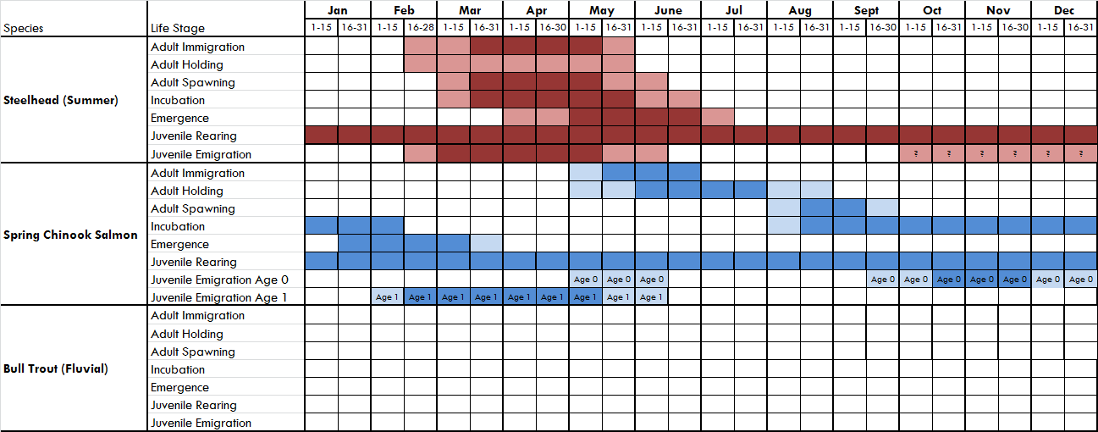

 |  |  |  |  |  |  |  |  |  | L
 |  |  |  |  |  |  |  |  |  | M
 |  |  |  |  |  |  |  |  |  | H
 |  |  |  |  |  |  |  |  |  | N/A

 |  |  |  | Comments
 |  |  |  | Bull trout needs to filled in by USFWS - No BUT in Clark Creek. CTUIR documented juvenile Bullt Trout in Indian Creek in 2019 at river kilometer 25.
 |  |  |  | Indian Creek was included in the Catherine Creek Atlas, some changes were made
 |  |  |  | There are no juvenile emigration timing data so migration timing is based off of Catherine Creek data
 |  |  |  | CHaMP surveys have identified small numbers of Juvenile Chinook throughout Clark Creek. CTUIR snorkel surveys In Indian Creek have identified summer rearing of juvenile Chinook up to river kilometer 20, and documented adult spawning around river kilometer 10.
 |  |  |  | Anecdotal accounts of Chinook Spawning in Clark Creek
 |  |  |  | Oct-Dec steelhead juvenile emigration changed to light - TB

 |  | Fish Use & Life Stage Utilization
 |  | Fish Utilization |  |  | Scores |  |  | Comments
 |  |  |  |  | Chinook | Steelhead | Bull Trout
 |  | Adult Immigration |  |  | L | H | L | BUT present but mostly residents high in the Indian Creek watershed (L rating for immigration). Indian Creek has lots of barriers in the lower reaches.
 |  | Adult Holding |  |  | L | L | L | BUT periodicity chart needs to be double checked with USFWS. STS changed from M to L - don't hold in small tribs.
 |  | Spawning / Incubation / Emergence |  |  | L | M | L | Historic CHS population, but currenlty is being supplemented by Catherine Creek stock. Last adult supplementation was 2015, but spawning and rearing have been documented in 2018 by CTUIR
 |  | Juvenile Emigration |  |  | H | H | L | STS changed from M to H - high use and very degraded conditions in need of action (comment applies to all juvenile use)
 |  | Summer Rearing |  |  | L | H | M | Lower Indian Creek has high summer temps and very degraded habitat. Lots of O. mykiss use. STS changed from M to H. Upper reaches (rkm 10 up to rkm 26) documented by CTUIR as having cold water in summer months (<=12 Degrees C) 2017 to 2019.
 |  | Winter Rearing |  |  | L | H | M | CHS using this BSR are part of the Catherine Creek population, last supplementation was 2015 but spawning and rearing recorded 2017 to 2019. STS changed from M to H.

Limiting Factors
Description |  |  |  |  | Score |  |  | Comments
 |  |  |  |  | Chinook | Steelhead | Bull Trout
1.1 | 1.1 Habitat Quantity: Anthropogenic Barrier (CHS, STS) |  |  |  | H | H | H | Lots of culverts and diversions that need addressed - especially problematic for juveniles.
4.1 | 4.1 Riparian Condition: Riparian Condition (CHS, STS) |  |  |  | M | M | M | Headwaters in good shape but a major concern in lower valleys.
4.2 | 4.2 Riparian Condition: LWD Recruitment (CHS, STS) |  |  |  | M | M | M | Headwaters in good shape but a major concern in lower valleys.
6.1 | 6.1 Channel Structure and Form: Bed and Channel Form (CHS, STS) |  |  |  | M | M | M
6.2 | 6.2 Channel Structure and Form: Instream Structural Complexity (CHS, STS) |  |  |  | M | M | M
7.2 | 7.2 Sediment Condition: Increased Sediment Quantity (CHS, STS) |  |  |  | L | L | L
8.1 | 8.1 Water Quality: Temperature (CHS, STS) |  |  |  | M | H | H
9.2 | 9.2 Water Quantity: Decreased Water Quantity (CHS, STS) |  |  |  | M | M | H | Good in upper watershed and bad on lower private lands
3.1 | Altered Primary Productivity |  |  |  | M | M | H | Steelhead abundance is meeting the ESA viability threshold
3.3 | Altered Prey Species Composition and Diversity |  |  |  | M | M | H | Steelhead abundance is meeting the ESA viability threshold
5.1 | 5.1 Periperal and Transitional Habitats: Side Channel and Weltand Condtions |  |  |  | H | H | M | Scored by subgroup on 4/8/15. Floodplain in lower valley reaches (8-10 miles on Indian Creek
5.2 | 5.2 Periperal and Transitional Habitats: Floodplain Condition |  |  |  | H | H | M | Scored by subgroup on 4/8/15. Floodplain in lower valley reaches (8-10 miles on Indian Creek
Source (above data): Expert Panel [X] Sub-Basin [ ] Recovery Plan [ ]

Restoration Activities
Description by Group & Action |  |  |  |  |  | Immediate Term Score | Long Term Score | Comments |  | QA/QC
Dedicating Land and Water to the Preservation and Restoration of Stream Habitat |  |  |  |  |  |  |  |  |  | Limiting Factor | Immediate | Long Term
 | 1 | Protect Land and Water (Easement, Acquisition) |  |  |  | H | H | Scoring for STS, CHS and BUT |  | 13 | 10 | 5
Channel Modification |  |  |  |  |  |  |  |  |  | 0 | #N/A | #N/A
 | 2 | Channel Reconstruction |  |  |  | H | H | Need to fix data layers to inlcude lower BSRs. Lower few miles of Indian Creek is very straight and some meadow areas on lower Clark Creek. |  | 17 | 10 | 5
 | 3 | Pool Development |  |  |  | H | H |  |  | 6 | 10 | 5
 | 4 | Riffle Construction |  |  |  | H | H |  |  | 6 | 10 | 5
 | 5 | Meander (Oxbow) Re-connect - Reconstruction |  |  |  | M | M | None that we can see from aerial imagery but could be reconstructed. |  | 9 | 5 | 2
 | 6 | Spawning Gravel Cleaning and Placement |  |  |  | N/A | N/A |  |  | 4 | 0 | 0
Floodplain Reconnection |  |  |  |  |  |  |  |  |  | 0 | #N/A | #N/A | ***passage priority if it is a barrier not allowing migragtion to u/s spawning/rearing habitat. All barriers may have been addressed.
 | 7 | Levee Modification: Removal, Setback, Breach |  |  |  | M | M | Not sure if there are many but important to do it if they exist. |  | 8 | 5 | 2
 | 8 | Remove - Relocate Floodplain Infrastructure |  |  |  | M | M | Corrals, houses, roads, barns in floodplain |  | 7 | 5 | 2
 | 9 | Restoration of Floodplain Topography and Vegetation |  |  |  | H | H |  |  | 12 | 10 | 5
 | 10 | Floodplain Construction |  |  |  | M | M |  |  | 10 | 5 | 2
Side Channel / Off-Channel Habitat Restoration |  |  |  |  |  |  |  |  |  | 0 | #N/A | #N/A
 | 11 | Perennial Side Channel |  |  |  | H | H |  |  | 6 | 10 | 5
 | 12 | Secondary (non-perrenial) Channel |  |  |  | H | H |  |  | 6 | 10 | 5
 | 13 | Floodplain Pond - Wetland |  |  |  | H | H |  |  | 9 | 10 | 5 | ?? Wiers for hab diversity or for head cut or passage?
 | 14 | Alcove |  |  |  | H | H |  |  | 11 | 10 | 5
 | 15 | Hyporheic Off-Channel Habitat (Groundwater) |  |  |  | H | H |  |  | 9 | 10 | 5
 | 16 | Beaver Restoration Management |  |  |  | H | H |  |  | 14 | 10 | 5
Riparian Restoration & Management |  |  |  |  |  |  |  |  |  | 0 | #N/A | #N/A
 | 17 | Riparian Fencing |  |  |  | H | H |  |  | 13 | 10 | 5
 | 18 | Riparian Buffer Strip, Planting |  |  |  | H | H |  |  | 10 | 10 | 5
 | 19 | Thinning or removal of understory |  |  |  | N/A | N/A | Indian Cr riparian vegetation and stream shading observed from rkm 10 up to rkm 26, but may be absent downstream of rkm 10 in ag land. |  | 3 | 0 | 0
 | 20 | Remove non-native plants |  |  |  | H | H | Leafy Spurge, Yellow Star Thistle, high densities of Knapweed in upper drainage. |  | 6 | 10 | 5
Fish Passage Restoration |  |  |  |  |  |  |  |  |  | 0 | #N/A | #N/A
 | 21 | Dam removal or breaching |  |  |  | H | H | Definitely barriers, could remove or add passage (23) |  | 6 | 10 | 5
 | 22 | Barrier or culvert replacement/removal |  |  |  | H | H |  |  | 5 | 10 | 5
 | 23 | Structural Passage (Diversions) |  |  |  | H | H |  |  | 3 | 10 | 5
Nutrient Supplementation |  |  |  |  |  |  |  |  |  | 0 | #N/A | #N/A
 | 24 | Addition of organic and inorganic nutrients |  |  |  | M | M | Historic spawning in Indian Creek and Clark Creek |  | 5 | 5 | 2
Instream Structures, LWD/Logjams |  |  |  |  |  |  |  |  |  | 0 | #N/A | #N/A
 | 25 | Rock Weirs |  |  |  | N/A | N/A |  |  | 5 | 0 | 0
 | 26 | Boulder Placement |  |  |  | M | M |  |  | 4 | 5 | 2
 | 27 | LWD Placement |  |  |  | H | H |  |  | 7 | 10 | 5
Bank Restoration, Modification, Removal |  |  |  |  |  |  |  |  |  | 0 | #N/A | #N/A
...

